Instructions
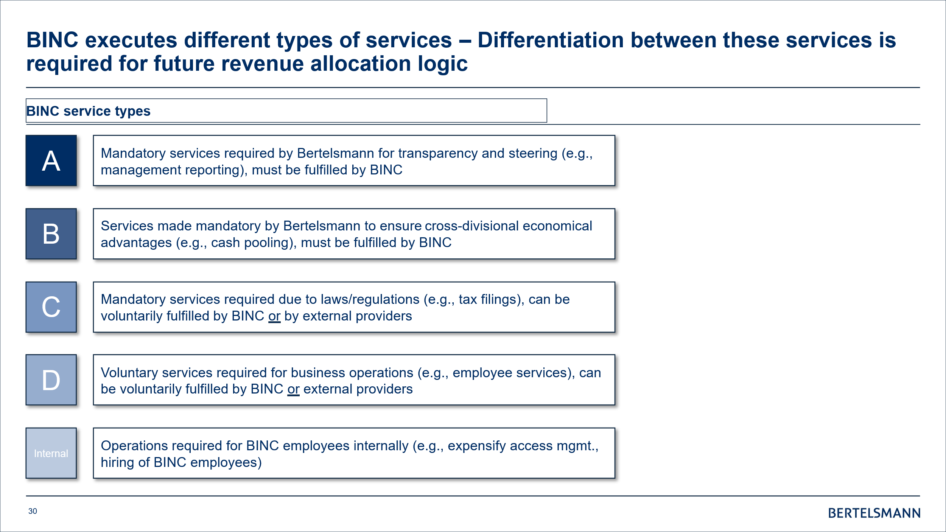
Tracking sheet is only for BINC-CORE activities

